purpose of Azure Advisor
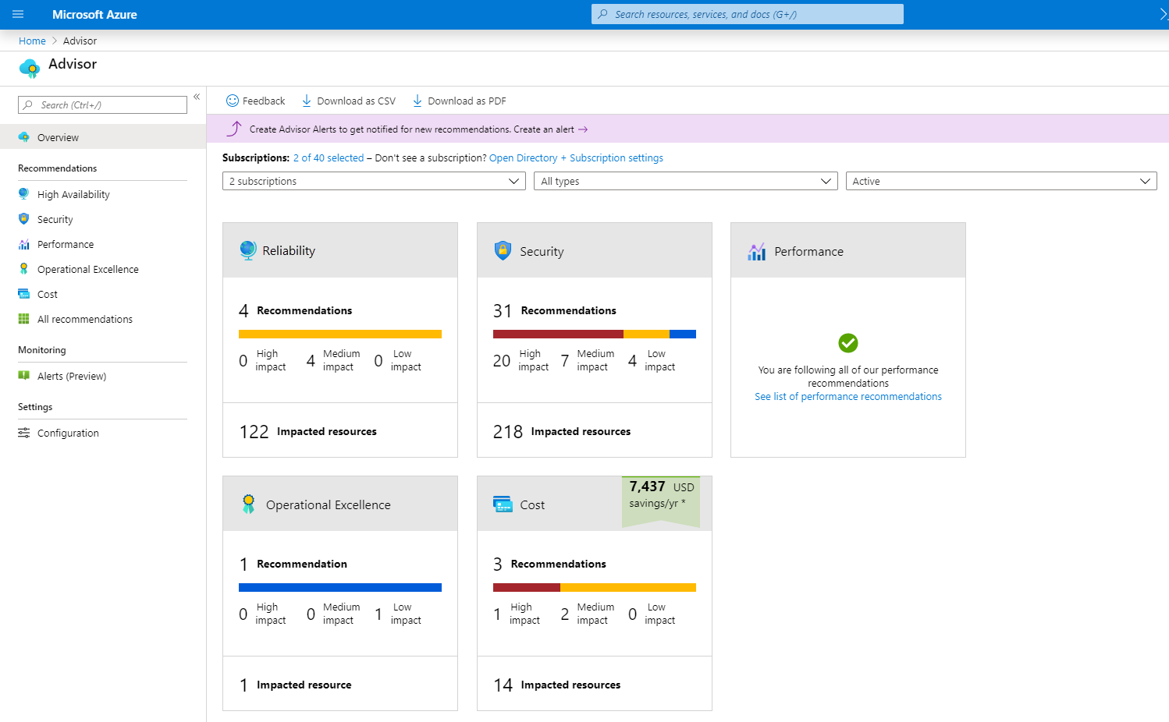
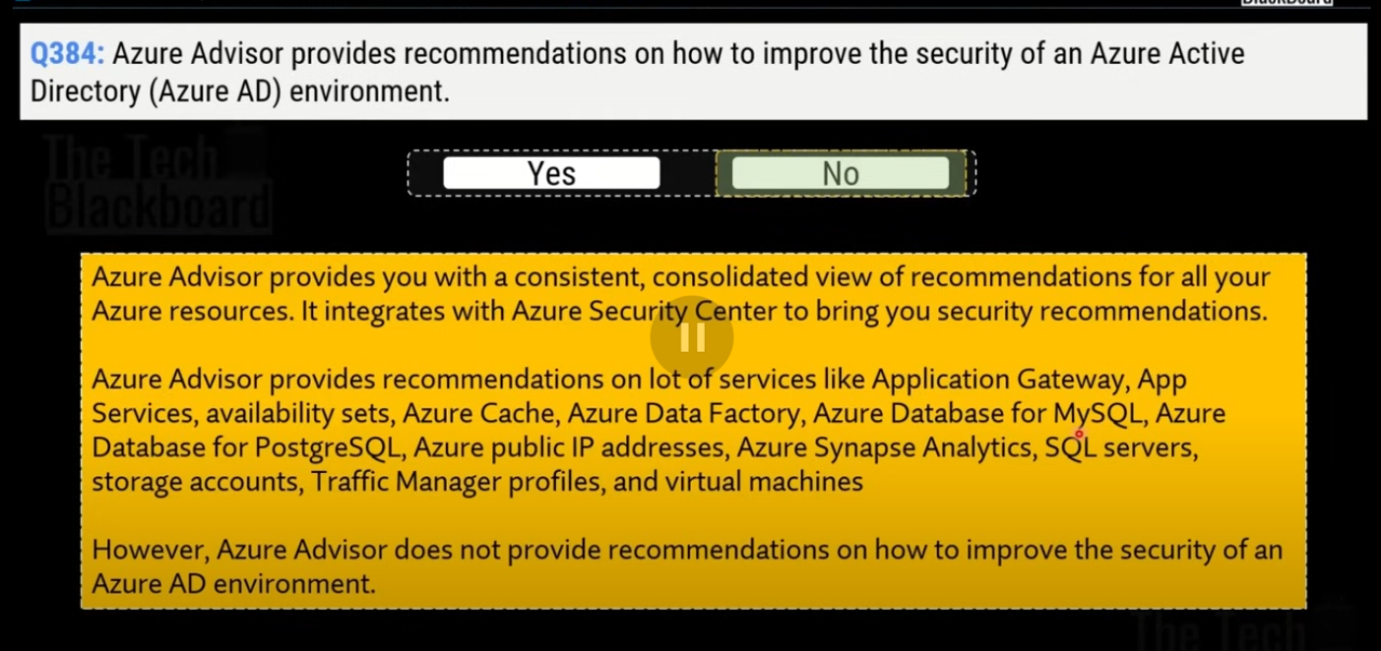
evaluates your Azure resources and makes recommendations to help improve reliability, security, and performance, achieve operational excellence, and reduce costs
help you save time on cloud optimization
The recommendation service includes suggested actions you can take right away, postpone, or dismiss.

Azure Service Health
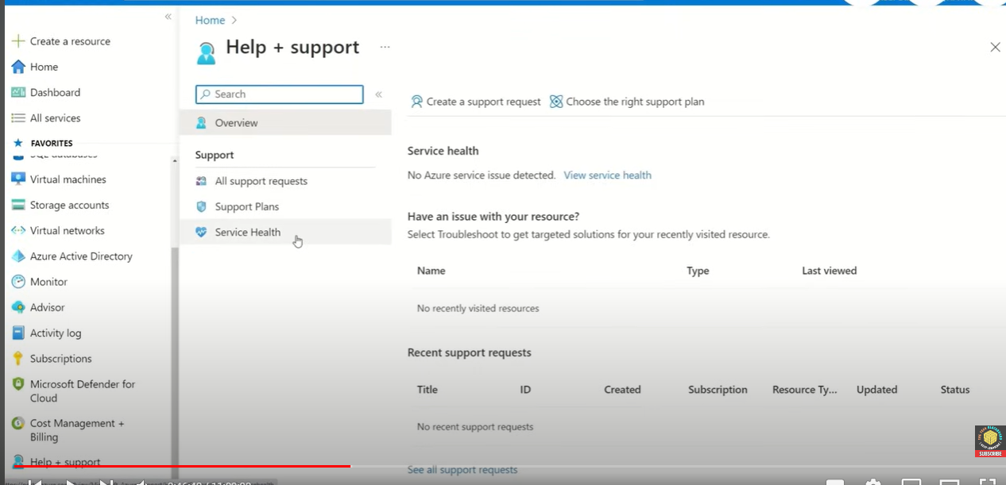
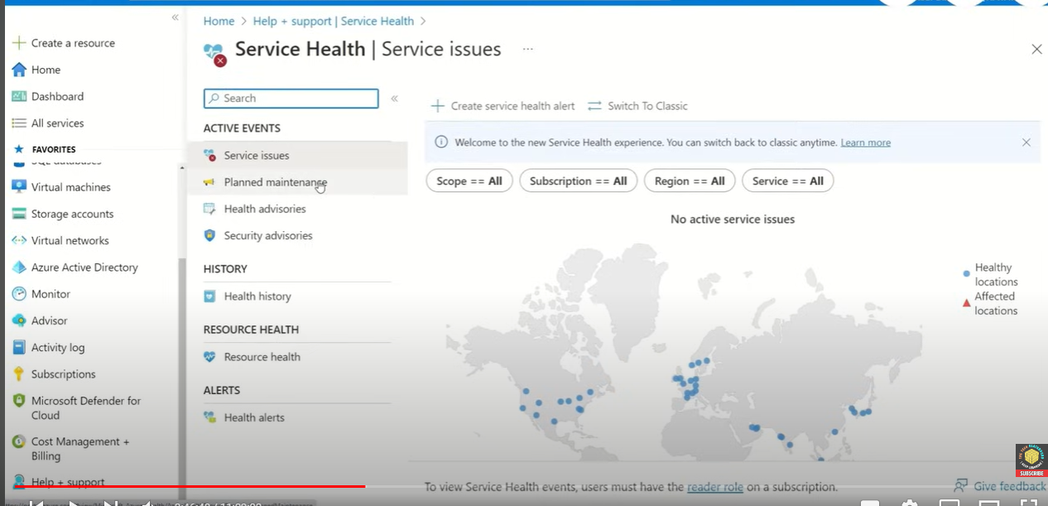
helps you keep track of Azure resource, both your specifically deployed resources and the overall status of Azure.
Azure service health does this by combining three different Azure services:
 | Azure Status
 |  | informs you of service outages in Azure on the Azure Status page
 |  | The page is a global view of the health of all Azure services across all Azure regions.

 | Service Health
 |  | notifies you about Azure service incidents and planned maintenance so you can take action to mitigate downtime.

 | Resource Health
 |  | provides information about the health of your individual cloud resources, such as a specific virtual machine instance
 |  | Azure Monitor, you can also configure alerts to notify you of availability changes to your cloud resources.

After an outage, Service Health provides official incident reports called root cause analysis (RCA), which you can share with stakeholders.
allows you to choose when to perform the maintenance to minimize the downtime

Azure Monitor
collecting data on your resources, analyzing that data, visualizing the information, and even acting on the results
monitor Azure resources, your on-premises resources, and even multi-cloud resources like virtual machines hosted with a different cloud provider.

 |  |  | On the left is a list of the sources of logging and metric data that can be collected at every layer in your application architecture, from application to operating system and network.

 |  |  | In the center, the logging and metric data are stored in central repositories.

 |  |  | On the right, the data is used in several ways

Azure Log Analytics
 | query log
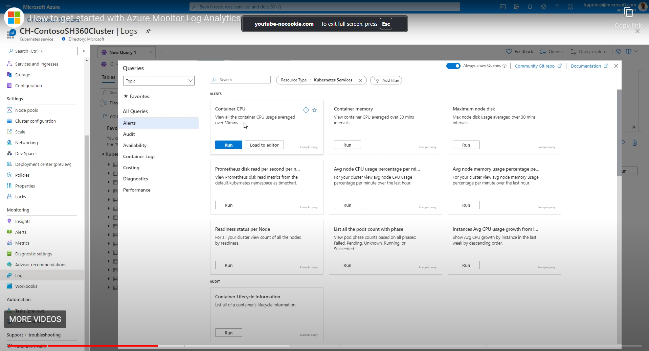

Azure Monitor Alerts
 | You set the alert conditions, the notification actions, and then Azure Monitor Alerts notifies when an alert is triggered.
 | informed when Azure Monitor detects a threshold being crossed

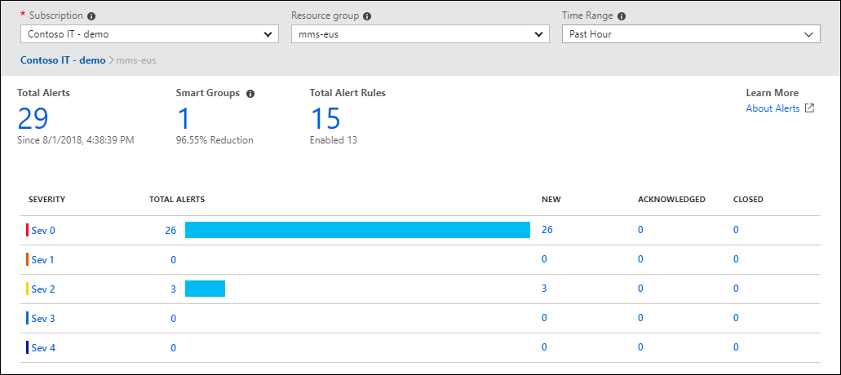

 | Alerts can be set up to monitor the logs and trigger on certain log events, or they can be set to monitor metrics and trigger when certain metrics are crossed
 | For example, you could set a metric-based alert up to notify you when the CPU usage on a virtual machine exceeded 80%.

 | Azure Monitor Alerts use action groups to configure who to notify and what action to take.
 | action groups is a collection of notification preferences and actions which are performed when alert is triggered
 | Azure Monitor, Azure Service Health, and Azure Advisor use action groups to notify users about the alert and take an action

Application Insights
 | monitoring applications that are running in Azure, on-premises, or in a different cloud environment.

 | There are two ways to configure Application Insights to help monitor your application
 |  | install an SDK in your application
 |  | use the Application Insights agent

